Project
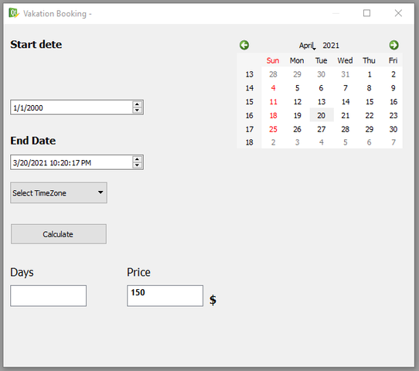
You have 'Vacation booking' application . Need to do QA

1. gather clarification questions

2. what and how you will test

3. which bugs you found

P.S. 'Vacation booking' mockup see below..

